Tabelle1
szQSnkETot | MWh | 90,000.07 | 15,000.00
szAperDemand_m2_per_MWh | m2/MWh | 1.50 | 2.00
szCollA | m2 | 135,000.11 | 30,000.00
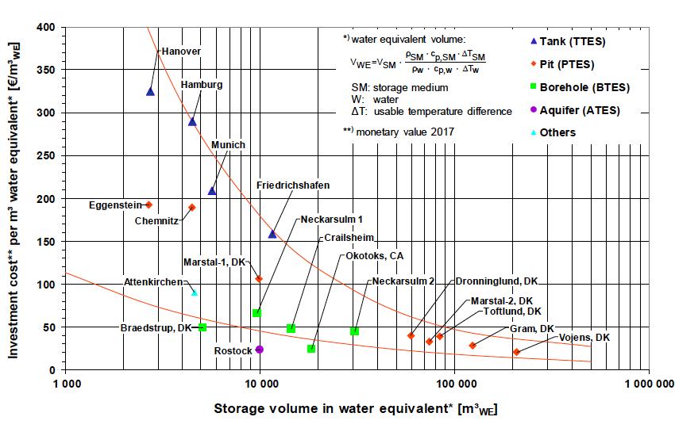
szVperA_m3_per_m2 | m3/m2 | 1.00 | 2.00
szVperE_m3_per_MWh | m3/MWh | 1.50 | 4.00
szTesV | m3 | 135,000.11 | 60,000.00

heigh | m | 30.00 | 30.00
diameter | m | 75.69 | 50.46

Radiation | kWh/m2 | 1,200.00 | 1,200.00
Summer/Year |  | 0.70 | 0.70
Efficiency |  | 0.50 | 0.50
Energy summer | kWh | 56,700,044.10 | 12,600,000.00
Storage Capacity | kWh | 7,039,647.98 | 3,128,730.00

 |  | 8.05 | 4.03

 |  | Test Storage between 2-3-4-5-10

